SAFETY POINT CLOUDS
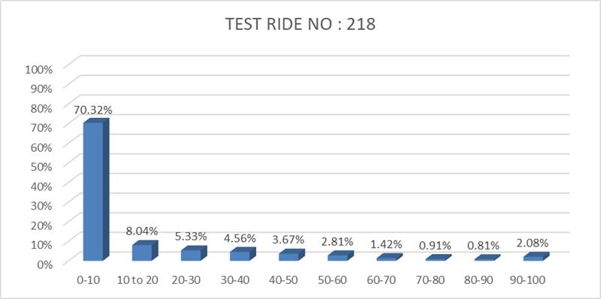
SAFETY POINT CLOUDS
 | Y axis value
6.3 | 9

Sheet4 (4)
PROBABILITY TABLE

LOW AUDACITY
SELF CONFIDENCE | ANTICIPATION | DRIVING SKILL | DRIVER CATEGORY
 |  |  | SAFE |  | MODERATE |  | RISKY
D | U | U | GOOD | 100%
 |  | M | GOOD | 84.28% | QUIET SAFE | 15.72% |  |  | S
 |  | D | GOOD | 22.10% | QUIET SAFE | 77.90%
 | M | U |  |  | QUIET SAFE | 100%
 |  | M |  |  | QUIET SAFE | 100%
 |  | D |  |  | QUIET SAFE | 48.21% | QUIET DANGEROUS | 51.79%
 | D | U |  |  | QUIET SAFE | 1.19% | QUIET DANGEROUS | 98.81%
 |  | M |  |  | QUIET SAFE | 0.12% | QUIET DANGEROUS | 99.80%
 |  | D |  |  |  |  | QUIET DANGEROUS | 100%
HIGH AUDACITY
U | U | U | SPORTIVE | 100%
 |  | M | SPORTIVE | 84.28% | RECKLESS | 15.72%
 |  | D | SPORTIVE | 22.10% | RECKLESS | 77.90%
 | M | U |  |  | RECKLESS | 100%
 |  | M |  |  | RECKLESS | 100%
 |  | D |  |  | RECKLESS | 48.21% | DANGEROUS | 51.79%
 | D | U |  |  | RECKLESS | 1.19% | DANGEROUS | 98.81%
 |  | M |  |  | RECKLESS | 0.12% | DANGEROUS | 99.80%
 |  | D |  |  |  |  | DANGEROUS | 100%

Sheet4 (5)
PROBABILITY TABLE

LOW AUDACITY
SELF CONFIDENCE | ANTICIPATION | DRIVER CATEGORY
 |  | SAFE |  | MODERATE |  | RISKY
D | U | GOOD | 100%
 |  |  |  |  |  |  |  | S

 | M |  |  | QUIET SAFE | 100%

 | D |  |  |  |  | QUIET DANGEROUS | 100.00%

HIGH AUDACITY
U | U | SPORTIVE | 100%

 | M |  |  | RECKLESS | 100%

 | D |  |  |  |  | DANGEROUS | 100.00%

Sheet4 (6)
BEHAVIOURAL CATEGORY

DRIVING SKILL | ANTICIPATION | SAFE | MODERATE | RISKY

LOW SKILL
D | U | INCAUTIOUS

 | M |  | LESS ADEQUATE

 | D |  |  | CAUTIOUS

HIGH SKILL
U | U | EXPERT

 | M |  | ADEQUATE

 | D |  |  | UNPROFESSIONAL

